PubMed
Primaria | Secondaria | Commento
Anatomy [A]
 | Body Regions [A01]
 | Musculoskeletal System [A02]
 | Digestive System [A03]
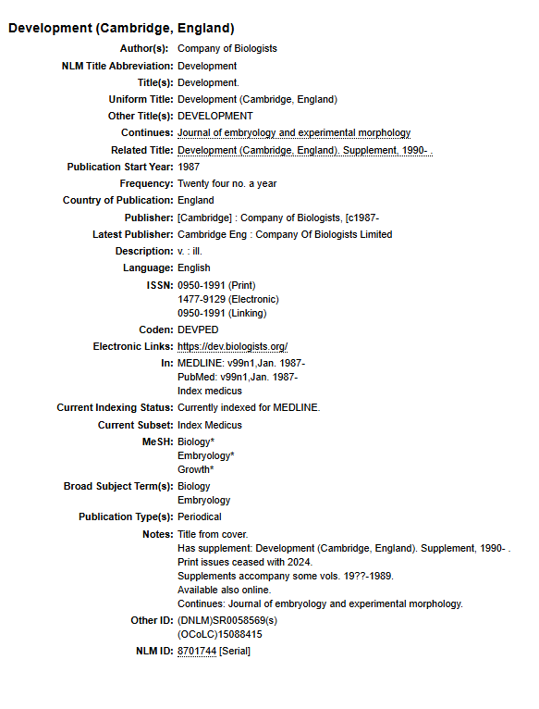
 | Respiratory System [A04]
 | Urogenital System [A05]
 | Endocrine System [A06]
 | Cardiovascular System [A07]
 | Nervous System [A08]
 | Sense Organs [A09]
 | Tissues [A10]
 | Cells [A11]
 | Fluids and Secretions [A12]
 | Animal Structures [A13]
 | Stomatognathic System [A14]
 | Hemic and Immune Systems [A15]
 | Embryonic Structures [A16]
 | Integumentary System [A17]
 | Plant Structures [A18]
 | Fungal Structures [A19]
 | Bacterial Structures [A20]
 | Viral Structures [A21]
Organisms [B]
 | Eukaryota [B01]
 | Archaea [B02]
 | Bacteria [B03]
 | Viruses [B04]
 | Organism Forms [B05]
Diseases [C]
 | Infections [C01]
 | Neoplasms [C04]
 | Musculoskeletal Diseases [C05]
 | Digestive System Diseases [C06]
 | Stomatognathic Diseases [C07]
 | Respiratory Tract Diseases [C08]
 | Otorhinolaryngologic Diseases [C09]
 | Nervous System Diseases [C10]
 | Eye Diseases [C11]
 | Urogenital Diseases [C12]
 | Cardiovascular Diseases [C14]
 | Hemic and Lymphatic Diseases [C15]
 | Congenital, Hereditary, and Neonatal Diseases and Abnormalities [C16]
 | Skin and Connective Tissue Diseases [C17]
 | Nutritional and Metabolic Diseases [C18]
 | Endocrine System Diseases [C19]
 | Immune System Diseases [C20]
 | Disorders of Environmental Origin [C21]
 | Animal Diseases [C22]
 | Pathological Conditions, Signs and Symptoms [C23]
 | Occupational Diseases [C24]
 | Chemically-Induced Disorders [C25]
 | Wounds and Injuries [C26]
Chemicals and Drugs [D]
 | Inorganic Chemicals [D01]
 | Organic Chemicals [D02]
 | Heterocyclic Compounds [D03]
 | Polycyclic Compounds [D04]
 | Macromolecular Substances [D05]
 | Hormones, Hormone Substitutes, and Hormone Antagonists [D06]
 | Enzymes and Coenzymes [D08]
 | Carbohydrates [D09]
 | Lipids [D10]
 | Amino Acids, Peptides, and Proteins [D12]
 | Nucleic Acids, Nucleotides, and Nucleosides [D13]
 | Complex Mixtures [D20]
 | Biological Factors [D23]
 | Biomedical and Dental Materials [D25]
 | Pharmaceutical Preparations [D26]
 | Chemical Actions and Uses [D27]
Analytical, Diagnostic and Therapeutic Techniques, and Equipment [E]
 | Diagnosis [E01]
 | Therapeutics [E02]
 | Anesthesia and Analgesia [E03]
 | Surgical Procedures, Operative [E04]
 | Investigative Techniques [E05]
 | Dentistry [E06]
 | Equipment and Supplies [E07]
Psychiatry and Psychology [F] |  | Psicologia potrebbe stare in B, ma immagino che psichiatria sia medicina
 | Behavior and Behavior Mechanisms [F01]
 | Psychological Phenomena [F02]
 | Mental Disorders [F03]
 | Behavioral Disciplines and Activities [F04]
Phenomena and Processes [G]
 | Physical Phenomena [G01]
 | Chemical Phenomena [G02]
 | Metabolism [G03]
 | Cell Physiological Phenomena [G04]
 | Genetic Phenomena [G05]
 | Microbiological Phenomena [G06]
 | Physiological Phenomena [G07]
 | Reproductive and Urinary Physiological Phenomena [G08]
 | Circulatory and Respiratory Physiological Phenomena [G09]
 | Digestive System and Oral Physiological Phenomena [G10]
 | Musculoskeletal and Neural Physiological Phenomena [G11]
 | Immune System Phenomena [G12]
 | Integumentary System Physiological Phenomena [G13]
 | Ocular Physiological Phenomena [G14]
 | Plant Physiological Phenomena [G15]
 | Biological Phenomena [G16]
 | Mathematical Concepts [G17]
Disciplines and Occupations [H]
 | Natural Science Disciplines [H01]
 | Health Occupations [H02]
Anthropology, Education, Sociology, and Social Phenomena [I]
 | Social Sciences [I01]
 | Education [I02] | L- EDUCATION
 | Human Activities [I03]
Technology, Industry, and Agriculture [J]
 | Technology, Industry, and Agriculture [J01]
 | Food and Beverages [J02]
 | Non-Medical Public and Private Facilities [J03]
Humanities [K]
 | Humanities [K01]
Information Science [L]
 | Information Science [L01] | Immagino Z
Named Groups [M]
 | Persons [M01]
Health Care [N]
 | Population Characteristics [N01]
 | Health Care Facilities, Manpower, and Services [N02]
 | Health Care Economics and Organizations [N03]
 | Health Services Administration [N04]
 | Health Care Quality, Access, and Evaluation [N05]
 | Environment and Public Health [N06]
Publication Characteristics [V]
 | Publication Components [V01] | Nessun periodico trovato a questo livello dell'etichetta (A questo livello intendo che se magari cercassi tra le sottoclassi potrei forse trovare qualcosa)
 | Publication Formats [V02] | Nessun periodico trovato a questo livello dell'etichetta (A questo livello intendo che se magari cercassi tra le sottoclassi potrei forse trovare qualcosa)
 | Study Characteristics [V03] | Nessun periodico trovato a questo livello dell'etichetta (A questo livello intendo che se magari cercassi tra le sottoclassi potrei forse trovare qualcosa)
 | Support of Research [V04] | Nessun periodico trovato a questo livello dell'etichetta (A questo livello intendo che se magari cercassi tra le sottoclassi potrei forse trovare qualcosa)
Geographicals [Z]
 | Geographic Locations [Z01] | è da considerarsi come un'appendice (una specificazione): per esempio in https://www.ncbi.nlm.nih.gov/nlmcatalog/489107 serve solo a stabilire che gli studi fatti riguardano gli stati uniti. No è l'argomento in sé quindi

